PC TECH CO. STOCKS
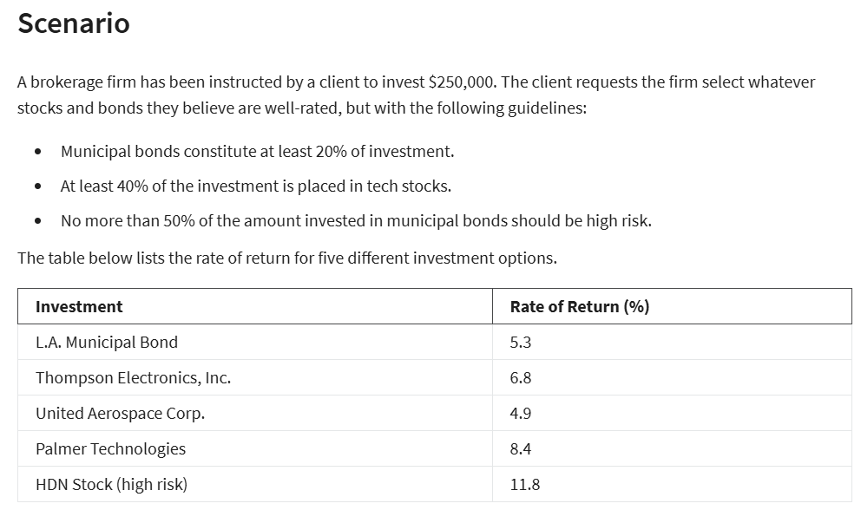
PC TECH CO.

GIVEN:

investment | $250,000
municipal bonds | 20%
tech stocks | 40%
high risk municipal bonds | 50%

investment | ROR | TYPE OF STOCK | VAR |  |  |  | X5<=50%X1 --> X5-50%X1<=0
L.A. MUNICIPAL BIND | 5.30% | MUNI | X1
THOMPSON ELECTRONICS INC. | 6.80% | TECH | X2
UNITED AEROSPACE COPR. | 4.90% | TECH | X3
PALMER TECHNOLOGIES | 8.40% | TECH | X4
HDN STOCK(HIGH RISK) | 11.80% | HIGH RISK | X5

VARIABLES: | X1 | X2 | X3 | X4 | X5
amount invested | $50,000.00 | $0.00 | $0.00 | $175,000.00 | $25,000.00
ROR | 5.30% | 6.80% | 4.90% | 8.40% | 11.80%

CONSTRAINTS | X1 | X2 | X3 | X4 | X5 | LHS | SIGN | RHS
BUDGET | 1 | 1 | 1 | 1 | 1 | 250000 | <= | $250,000
MUNI BONDS | 1 |  |  |  |  | 50000 | >= | $50,000
TECH STOCKS |  | 1 | 1 | 1 |  | 175000 | >= | $100,000
NO MORE THAN 50% MUNI BONDS AT HIGH RISK | -50% |  |  |  | 1 | 0 | <= | 0

OBJECTIVE: RATE OF RETURN (MAX): | $20,300.00

LP SIMPLEX MODEL SOLUTION
X1 | $50,000
X2 | $0
X3 | $0
X4 | $175,000
X5 | $25,000
ROR($) | $20,300

